Network Diagrams
Map & Floor Plan
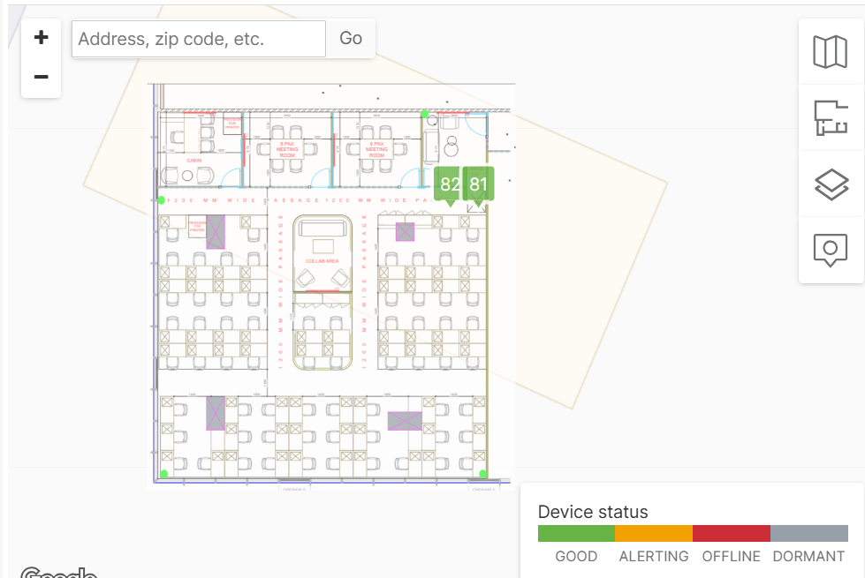

Router

Switch

